1(A) ANSWER
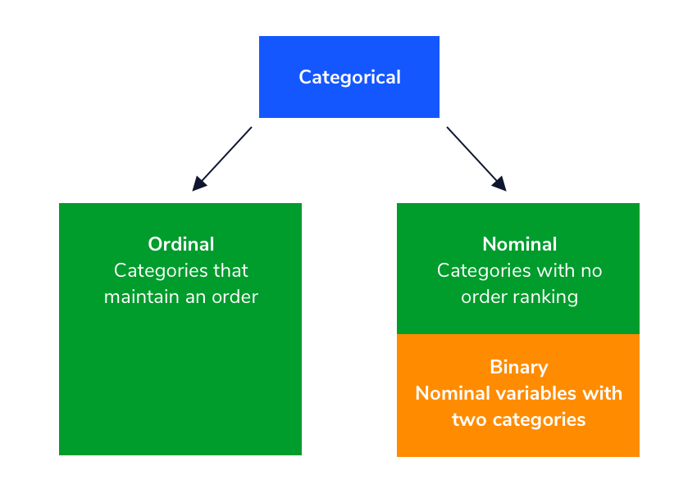
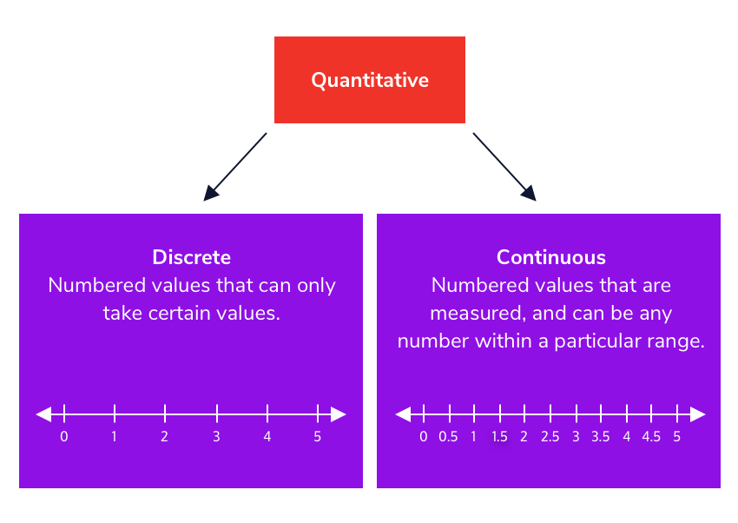
Categorical Variables | Continuous Variables | Discrete Variables
SEX,REGION,SMOKER. | BMI,CHARGES | AGE,CHILDREN

1(C-1) ANSWER
Male/Female ratio & High Gender
THE MALE GENDER HAVE MORE SMOKERS THAN FEMALE GENDER.159 MALE SOMKERS AND 115 FEMALE SMOKERS
Count of smoker | smoker
sex | no | yes | Grand Total
female | 547 | 115 | 662
male | 517 | 159 | 676
Grand Total | 1064 | 274 | 1338

 |  |  | 2
 |  |  | 2
 |  |  | 1338

 |  |  | 331:338

 | 2

1(C-2) ANSWER
Charges vs Age
age | Average of charges($)
18 | 7086.2175564
19 | 9747.9093346
20 | 10159.697736
21 | 4730.4643296
22 | 10012.932802
23 | 12419.82004
24 | 10648.015962
25 | 9838.3653107
26 | 6133.8253086 | `
27 | 12184.701721
28 | 9069.1875643
29 | 10430.158727
30 | 12719.110358
31 | 10196.980573
32 | 9220.3002908
33 | 12351.532987
34 | 11613.528121
35 | 11307.182031
36 | 12204.476138
37 | 18019.911877
38 | 8102.733674
39 | 11778.242945
40 | 11772.25131
41 | 9653.7456496
42 | 13061.038669
43 | 19267.278653
44 | 15859.396587
45 | 14830.199856
46 | 14342.590639
47 | 17653.999593
48 | 14632.500445
49 | 12696.006264
50 | 15663.003301
51 | 15682.255867
52 | 18256.269719
53 | 16020.930755
54 | 18758.546475
55 | 16164.545488
56 | 15025.515837
57 | 16447.18525
58 | 13878.928112
59 | 18895.869532
60 | 21979.418507
61 | 22024.457609
62 | 19163.856573
63 | 19884.998461
64 | 23275.530837
Grand Total | 13270.422265

1(C-3) ANSWER
Charges vs BMI
bmi | Average of charges($)
15.96 | 1694.7964
16.815 | 4904.00035
17.195 | 14455.64405
17.29 | 7813.3534333
17.385 | 2775.19215
17.4 | 2585.269
17.48 | 1621.3402
17.67 | 2680.9493
17.765 | 32734.1863
17.8 | 1727.785
17.86 | 5116.5004
17.955 | 15006.57945
18.05 | 9644.2525
18.3 | 19023.26
18.335 | 11576.731983
18.5 | 4766.022
18.6 | 1728.897
18.715 | 21595.38229
18.905 | 4827.90495
19 | 6753.038
19.095 | 16776.30405
19.19 | 8627.5411
19.3 | 15820.699
19.475 | 6933.24225
19.57 | 8428.0693
19.8 | 7266.6656667
19.855 | 6492.37645
19.95 | 9049.1908333
20.045 | 18109.27455
20.1 | 12032.326
20.13 | 18767.7377
20.235 | 7722.5619
20.3 | 1242.26
20.35 | 8605.3615
20.4 | 3260.199
20.425 | 1625.43375
20.52 | 9558.0628
20.6 | 5498.237
20.615 | 2803.69785
20.7 | 1242.816
20.79 | 1607.5101
20.8 | 2755.5435
20.9 | 11513.956
21.01 | 11013.7119
21.09 | 13415.0381
21.12 | 6652.5288
21.28 | 4296.2712
21.3 | 9182.17
21.375 | 5861.56275
21.4 | 11511.2655
21.47 | 5843.7589667
21.5 | 10791.96
21.56 | 9855.1314
21.565 | 13747.87235
21.66 | 14361.056067
21.7 | 13844.506
21.755 | 9036.1385475
21.78 | 9078.26289
21.8 | 20167.33603
21.85 | 11620.76075
21.89 | 3180.5101
21.945 | 4718.20355
22 | 1964.78
22.04 | 13616.3586
22.1 | 10577.087
22.135 | 5867.66915
22.22 | 19444.2658
22.23 | 7602.7872
22.3 | 4625.0925
22.42 | 17149.65846
22.515 | 4807.76705
22.6 | 10532.882
22.61 | 9811.41565
22.705 | 12047.77917
22.77 | 11833.7823
22.8 | 8127.4295
22.88 | 23244.7902
22.895 | 19256.553668
22.99 | 15368.082767
23 | 12094.478
23.085 | 8078.26765
23.1 | 2483.736
23.18 | 9868.62973
23.2 | 6250.435
23.21 | 10699.798088
23.275 | 7986.47525
23.3 | 11345.519
23.32 | 1711.0268
23.37 | 11634.4873
23.4 | 2441.5915
23.465 | 4804.39135
23.54 | 10107.2206
23.56 | 6798.0999
23.6 | 6735.659
23.65 | 17626.23951
23.655 | 16320.90185
23.7 | 7221.8305
23.75 | 5504.1331667
23.76 | 26926.5144
23.8 | 3847.674
23.845 | 10407.27355
23.87 | 8582.3023
23.9 | 5080.096
23.94 | 6858.4796
23.98 | 16022.22717
24.035 | 10679.86965
24.09 | 2201.0971
24.1 | 14605.352985
24.13 | 12215.7762
24.225 | 11401.43358
24.3 | 4052.4966667
24.31 | 6986.9819
24.32 | 14055.981457
24.4 | 18259.216
24.415 | 11520.09985
24.42 | 22237.116457
24.51 | 3938.4665667
24.53 | 12629.8967
24.6 | 7954.34
24.605 | 10426.4597
24.64 | 19515.5416
24.7 | 16527.187542
24.75 | 16577.7795
24.795 | 15578.6538
24.86 | 16542.44059
24.89 | 21659.9301
24.97 | 6593.5083
24.985 | 15629.26784
25 | 10537.32
25.08 | 10740.976412
25.1 | 25382.297
25.175 | 7296.7859167
25.2 | 11837.16
25.27 | 9903.4363
25.3 | 14039.723
25.365 | 16950.000213
25.4 | 8782.469
25.41 | 21978.6769
25.46 | 10315.947861
25.52 | 14478.33015
25.555 | 8050.3307833
25.6 | 13233.9825
25.65 | 11454.0215
25.7 | 13521.952
25.74 | 7666.50485
25.745 | 5097.5302167
25.8 | 5665.6684286
25.84 | 14117.803264
25.85 | 24180.9335
25.9 | 9341.8923333
25.935 | 6512.9839833
26.03 | 6439.5603
26.07 | 38245.59327
26.125 | 9516.9665
26.18 | 4675.3622
26.2 | 4883.866
26.22 | 8398.75705
26.29 | 27808.7251
26.315 | 5608.46965
26.4 | 14968.28551
26.41 | 11236.7139
26.505 | 12815.44495
26.51 | 3078.1584
26.6 | 10825.844333
26.62 | 5749.9773
26.695 | 15608.55305
26.7 | 16814.69
26.73 | 3309.2747
26.79 | 8399.50006
26.8 | 19533.130785
26.84 | 9375.1336
26.885 | 15203.58415
26.9 | 5969.723
26.98 | 14822.713533
27 | 11737.84884
27.06 | 17043.3414
27.075 | 10106.13425
27.1 | 13020.485325
27.17 | 10412.1138
27.2 | 6969.6335
27.265 | 10789.316673
27.28 | 18223.4512
27.3 | 16232.847
27.36 | 12882.235809
27.4 | 7111.87
27.455 | 7439.56595
27.5 | 10998.578855
27.55 | 9106.16825
27.6 | 14942.895108
27.61 | 4747.0529
27.645 | 13066.559164
27.7 | 8755.409
27.72 | 7278.38755
27.74 | 13540.359933
27.8 | 37829.7242
27.83 | 16332.96237
27.835 | 7940.09905
27.9 | 16884.924
27.93 | 8989.60594
27.94 | 11176.374267
28 | 14615.34715
28.025 | 14167.97815
28.05 | 5719.6571667
28.1 | 11353.586
28.12 | 14394.93655
28.16 | 10702.6424
28.2 | 13041.921
28.215 | 12436.8721
28.27 | 5132.0348
28.3 | 19081.62
28.31 | 15961.313253
28.38 | 19521.9682
28.4 | 2087.019
28.405 | 5595.93445
28.49 | 18328.2381
28.5 | 13101.531696
28.595 | 11276.566135
28.6 | 8152.6823333
28.69 | 13023.3701
28.7 | 8533.0666
28.785 | 8805.00035
28.8 | 6282.235
28.82 | 2156.7518
28.88 | 8271.05995
28.9 | 7383.5666
28.93 | 9889.0013667
28.975 | 9243.83585
29 | 9446.542
29.04 | 7243.8136
29.07 | 23247.0203
29.1 | 3761.292
29.15 | 10574.701
29.165 | 7323.734819
29.2 | 10436.096
29.26 | 5357.73015
29.3 | 8903.318365
29.355 | 5478.89745
29.37 | 5133.5638
29.4 | 6059.173
29.45 | 2897.3235
29.48 | 6840.1062
29.5 | 6311.952
29.545 | 8930.93455
29.59 | 4255.1276
29.6 | 9132.684315
29.64 | 14386.20393
29.7 | 11386.0136
29.735 | 14098.27853
29.8 | 13156.673163
29.81 | 15400.9304
29.83 | 14239.110867
29.9 | 8050.915
29.92 | 10357.029967
29.925 | 11433.62875
30 | 12524.06
30.02 | 19102.076227
30.03 | 5057.5707
30.1 | 5541.9765
30.115 | 10539.915492
30.14 | 6506.7381
30.2 | 17976.366333
30.21 | 16582.65495
30.25 | 18126.3475
30.3 | 5003.472
30.305 | 7070.99595
30.36 | 62592.87309
30.4 | 12038.48308
30.495 | 16754.22305
30.5 | 7646.93925
30.59 | 8082.7223757
30.685 | 28030.11615
30.69 | 6854.1291
30.78 | 21516.8756
30.8 | 16077.000125
30.875 | 12611.780614
30.9 | 17857.763667
30.97 | 10600.5483
31 | 5364.5135
31.02 | 19455.80277
31.065 | 11681.4171
31.1 | 1526.312
31.13 | 11818.86095
31.16 | 17853.3874
31.2 | 9625.92
31.24 | 10338.9316
31.255 | 4074.7917833
31.3 | 47291.055
31.35 | 17971.503446
31.4 | 24221.497333
31.445 | 11469.25805
31.46 | 14439.457065
31.5 | 4239.365
31.54 | 8250.8901
31.57 | 8697.5938
31.6 | 8718.3276667
31.635 | 8266.15565
31.68 | 34487.6572
31.73 | 16973.5177
31.79 | 19432.087168
31.8 | 13880.949
31.825 | 17067.10375
31.9 | 16601.49562
31.92 | 16625.842
32 | 8551.347
32.01 | 6964.1039
32.015 | 26913.23835
32.1 | 14007.222
32.11 | 9170.5958914
32.12 | 2801.2588
32.2 | 20319.075667
32.205 | 10161.79095
32.23 | 13544.656545
32.3 | 14100.05772
32.34 | 6985.8981
32.395 | 12150.923522
32.4 | 4149.736
32.45 | 45008.9555
32.49 | 20194.64109
32.5 | 6238.298
32.56 | 21382.7854
32.585 | 4846.92015
32.6 | 7698.009
32.67 | 6652.2623
32.68 | 13881.48728
32.7 | 19032.1605
32.775 | 18435.78625
32.78 | 36021.0112
32.8 | 24199.636253
32.87 | 7050.0213
32.9 | 14403.010333
32.965 | 12326.7101
33 | 6853.8704867
33.06 | 7749.1564
33.1 | 13917.484083
33.11 | 23126.36465
33.155 | 5714.58265
33.2 | 13462.52
33.25 | 8627.4998333
33.3 | 6343.663
33.33 | 14032.503766
33.345 | 12376.389116
33.4 | 17461.14311
33.44 | 8865.14535
33.5 | 37079.372
33.535 | 20010.28865
33.55 | 5699.8375
33.63 | 20834.558763
33.66 | 7250.0332
33.7 | 7919.244
33.725 | 9900.11575
33.77 | 1700.0923
33.8 | 47928.03
33.82 | 10539.223282
33.88 | 23453.021417
33.915 | 9104.4271
33.99 | 2850.2276
34.01 | 11356.6609
34.1 | 12245.810148
34.105 | 23987.6007
34.2 | 20605.2982
34.21 | 14932.7279
34.295 | 13224.05705
34.3 | 9563.029
34.32 | 7226.2268
34.39 | 25245.1446
34.4 | 11952.101
34.43 | 13764.6442
34.485 | 31521.60406
34.5 | 13822.803
34.58 | 5826.5057
34.6 | 21840.8895
34.675 | 4518.82625
34.7 | 21239.9905
34.77 | 6289.9403
34.8 | 18623.628004
34.865 | 7422.04185
34.87 | 2020.5523
34.9 | 34828.654
34.96 | 30047.346733
35.09 | 47055.5321
35.1 | 12644.589
35.15 | 2134.9015
35.2 | 16952.474286
35.245 | 11899.472325
35.3 | 22871.5915
35.31 | 23265.21711
35.4 | 1263.249
35.42 | 2322.6218
35.435 | 3268.84665
35.5 | 44585.45587
35.53 | 23457.148765
35.6 | 35585.576
35.625 | 13236.93475
35.64 | 7345.7266
35.7 | 11362.755
35.72 | 10774.65516
35.75 | 27815.464833
35.8 | 9417.112
35.815 | 7544.50435
35.86 | 15636.74265
35.9 | 11163.568
35.91 | 20013.949095
35.97 | 18246.2133
36 | 5361.8195
36.005 | 13228.84695
36.08 | 24372.41845
36.1 | 16796.893527
36.19 | 22270.29691
36.195 | 7443.64305
36.2 | 8263.0015
36.29 | 6551.7501
36.3 | 27132.404
36.385 | 29977.15065
36.4 | 51194.55914
36.48 | 22597.85034
36.52 | 28287.89766
36.575 | 5404.03675
36.6 | 11264.541
36.63 | 19433.6967
36.67 | 29400.739477
36.7 | 9144.565
36.765 | 29448.57969
36.85 | 12265.4749
36.86 | 26732.92062
36.955 | 26120.0507
36.96 | 49577.6624
37 | 6814.6115
37.05 | 19866.828833
37.07 | 28801.393633
37.1 | 7507.947
37.145 | 6334.34355
37.18 | 5917.7022
37.29 | 4099.29785
37.3 | 20630.28351
37.335 | 5328.56565
37.4 | 14803.632133
37.43 | 6175.4977
37.51 | 10785.1044
37.525 | 33471.97189
37.62 | 20466.0238
37.7 | 48824.45
37.715 | 30063.58055
37.73 | 7637.6122
37.8 | 39241.442
37.9 | 6474.013
37.905 | 14210.53595
38 | 10069.535667
38.06 | 25542.834324
38.095 | 32905.481597
38.17 | 15428.876967
38.19 | 14410.9321
38.28 | 8663.7143833
38.285 | 7935.29115
38.38 | 12173.4857
38.39 | 28943.822767
38.6 | 7543.7675
38.665 | 3393.35635
38.83 | 12360.924773
38.9 | 5972.378
38.94 | 23837.0316
38.95 | 42983.4585
39.05 | 22957.9895
39.1 | 14235.072
39.14 | 12890.05765
39.16 | 9840.7097333
39.2 | 13470.86
39.27 | 3500.6123
39.33 | 14901.5167
39.4 | 38344.566
39.425 | 8342.90875
39.49 | 2794.5624333
39.5 | 5781.3325
39.52 | 6948.7008
39.6 | 10543.891667
39.615 | 2730.10785
39.7 | 11855.1885
39.71 | 19496.71917
39.8 | 15170.069
39.805 | 5101.71245
39.82 | 5840.1121333
39.9 | 48173.361
39.93 | 12982.8747
39.995 | 9704.66805
40.15 | 17110.4625
40.185 | 2709.35715
40.26 | 3671.8689
40.28 | 11463.31077
40.3 | 10602.385
40.37 | 27439.4388
40.375 | 8733.22925
40.47 | 1984.4533
40.48 | 13831.1152
40.5 | 1759.338
40.565 | 33541.586017
40.66 | 9875.6804
40.81 | 12485.8009
40.92 | 48673.5588
40.945 | 11566.30055
41.1 | 3989.841
41.14 | 25058.5221
41.23 | 8821.8857
41.325 | 13694.954393
41.42 | 28476.73499
41.47 | 11295.635633
41.69 | 5438.7491
41.8 | 26466.0395
41.895 | 43753.33705
41.91 | 12386.08068
42.13 | 24162.47495
42.24 | 38792.6856
42.35 | 46151.1245
42.4 | 5038.2835
42.46 | 11326.71487
42.655 | 5757.41345
42.68 | 9800.8882
42.75 | 40904.1995
42.9 | 25999.5765
42.94 | 6360.9936
43.01 | 1149.3959
43.12 | 4753.6368
43.34 | 5846.9176
43.4 | 12574.049
43.7 | 11576.13
43.89 | 27572.5501
44 | 13063.883
44.22 | 4130.1718
44.7 | 11411.685
44.745 | 9541.69555
44.77 | 9058.7303
44.88 | 39722.7462
45.32 | 8569.8618
45.43 | 6356.2707
45.54 | 42112.2356
45.9 | 3693.428
46.09 | 9549.5651
46.2 | 45863.205
46.53 | 4683.0257
46.7 | 11538.421
46.75 | 12592.5345
47.41 | 63770.42801
47.52 | 8083.9198
47.6 | 46113.511
47.74 | 9748.9106
48.07 | 9432.9253
49.06 | 11381.3254
50.38 | 2438.0552
52.58 | 44501.3982
53.13 | 1163.4627
Grand Total | 13270.422265

1(C-4) ANSWER
Charges for Smokers vs Non-smoker
smoker | Average of charges($)
no | 8434.2682979
yes | 32050.231832
Grand Total | 13270.422265

1(C-5) ANSWER
Region-wise Smokers vs non-smokers "YES"
 | yes
northeast | 67
northwest | 58
southeast | 91
southwest | 58
Count of smoker | smoker
region | no | yes | Grand Total
northeast | 257 | 67 | 324
northwest | 267 | 58 | 325
southeast | 273 | 91 | 364
southwest | 267 | 58 | 325
Grand Total | 1064 | 274 | 1338

Count of smoker | smoker
region | yes | Grand Total
northeast | 67 | 67
northwest | 58 | 58
southeast | 91 | 91
southwest | 58 | 58
Grand Total | 274 | 274
Region-wise Smokers vs non-smokers "NO"
Count of smoker | smoker
region | no | Grand Total
northeast | 257 | 257
northwest | 267 | 267
southeast | 273 | 273
southwest | 267 | 267
Grand Total | 1064 | 1064

1(C-6) ANSWER
Region-wise charges for smokers vs non-smokers
Average of charges($) | smoker
region | no | yes | Grand Total
northeast | 9165.5316717 | 29673.536473 | 13406.384516
northwest | 8556.4637152 | 30192.003182 | 12417.575374
southeast | 8032.2163089 | 34844.996824 | 14735.411438
southwest | 8019.2845131 | 32269.063494 | 12346.937377
Grand Total | 8434.2682979 | 32050.231832 | 13270.422265

1(C-7) ANSWER
children | Average of charges($)
0 | 12365.975602
1 | 12731.171832
2 | 15073.563734
3 | 15355.318367
4 | 13850.656311
5 | 8786.0352472
Grand Total | 13270.422265

1(C-8) ANSWER
Average of charges($) | region
children | northeast | northwest | southeast | southwest | Grand Total
0 | 11626.462658 | 11324.370919 | 14309.868378 | 11938.504986 | 12365.975602
1 | 16310.206403 | 10230.256309 | 13687.041971 | 10406.484953 | 12731.171832
2 | 13615.152722 | 13464.314687 | 15728.470623 | 17483.485559 | 15073.563734
3 | 14409.913296 | 17786.160672 | 18449.846015 | 10402.442259 | 15355.318367
4 | 14485.19312 | 11347.018725 | 14451.023972 | 14933.260533 | 13850.656311
5 | 6978.9734833 | 8965.79575 | 10115.441542 | 8444.158625 | 8786.0352472
Grand Total | 13406.384516 | 12417.575374 | 14735.411438 | 12346.937377 | 13270.422265

1(C-9) ANSWER
 | sex | Values
 | female |  | male |  | Total Count of age | Total Count of smoker
region | Count of age | Count of smoker | Count of age | Count of smoker
northeast | 161 | 161 | 163 | 163 | 324 | 324
northwest | 164 | 164 | 161 | 161 | 325 | 325
southeast | 175 | 175 | 189 | 189 | 364 | 364
southwest | 162 | 162 | 163 | 163 | 325 | 325
Grand Total | 662 | 662 | 676 | 676 | 1338 | 1338

REGIONWISE COUNT OF SMOKER AND AGE

